Instruction
PIC Feeding Levels for
Maternal Females

Tool features:
This tool is designed to calculate the recommended feeding levels categorized by body condition score for PIC maternal dams during gestation. The calculations are based on the user-defined energy level of the gestation diet and the recommended ME intake per day. The tool also provides the minimum daily feed allocation for maintenance, which is especially critical during the first 30 days of gestation. Feeding below maintenance leads to increased embryonic losses. An option to estimate body weight using flank measurement is available in the appendix table.
Steps to use:
1. This version is designed for imperial system; the metric version is available separately.
2. Enter the input parameters in the yellow cells:
a. Set the energy system (i.e. ME or NE) and the dietary energy level of the gestation diet. The tool works using ME. Net energy is converted to ME based on dietary NDF (i.e. 74.5% for NDF >12% and 76.0% for NDF <12%).
Outputs:
Table 1. The table presents the recommended feeding levels based on body condition score which is determined by using the sow caliper. Feed intake is calculated from the recommended ME intake per day and diet energy level. This table does not take body weight into account.
Table 2. This table provides the estimated body weight of gilts and sows at breeding given flank measurements, and correspondingly the minimum feed intake. Flank measurements and body weights are presented in a range. The minimum feed intake is calculated based on the upper weight in each range. For specific measurements, users can use the appendix 1.
For questions on this tool please contact the PIC Nutrition Team.

Maternal lines
PIC Feeding Levels for Maternal Females
Figure 1. PIC Feeding Levels for Maternal Females
 | lb for THIN sows to gain 2 caliper units for every 30 days | lb for gilts and IDEAL sows to gain ~1.7 caliper units throughout gestation | lb for FAT sows to reduce 1 caliper unit throughout gestation
1 to 30 days | 5.46 | 4.03 | 3.34
31 to 60 days | 5.46 | 4.03 | 3.34
61 to 90 days | 5.46 | 4.03 | 3.34
91 to 112 days | 5.46 | 4.03 | 3.34
Peripartum | 5.46 | 4.03 | 3.34

Dietary ME, Mcal/lb | 1.47
Fill in the yellow cells

Table 1. Recommended base feed allocation for Camborough and PIC maternal lines during gestation
Body Condition Score | ME, Mcal/day | Feed Allocation, lb/d | Daily SID Lysine intake, g/d
THIN SOWS / RECOVERY CONDITION | 8.00 | 5.46 | 14.9
GILTS and IDEAL SOWS | 5.90 | 4.03 | 11.0
FAT SOWS | 4.90 | 3.34 | 9.1

Table 2. Flank measurement, estimated body weight and corresponding min. feed intake.
Flank Measurement, in | Est. BW, lb | Min. Feed Intake (1st 30 day), lb/d
35.2 to 38.6 | 300 to 385 | 3.28
38.7 to 40.6 | 386 to 440 | 3.62
40.6 to 42.6 | 441 to 500 | 3.99
* Feed intake summarized in this table represent the feeding levels at maintenance. PIC does not recommend feeding
below maintenance during the first 30 days of gestation

 |  |  |  | PIC feeding guideline for gestation is based on sow body condtion. The goal of body condition management is to maintain sows in ideal condition and to avoid having any thin sows at farrowing or fat sows at weaning. PIC® recommends using the caliper to assess sow body condition (Figure 2, adapted from Huerta et al, 2021). Click the Figure 2 below to access the most updated technical material of sow body condition management. The critical time points to evaluate body condition is shown in Figure 3. Moreover, PIC does not recommend feeding below maintenance during the first 30 days of gestation. Table 2 summarizes the feeding levels at maintenance, given body weight and the user-defined diet energy. For gilts, PIC recommends an energy allowance of 4.4 Mcal NE or 5.9 Mcal ME per day throughout the entire gestation regardless of body condition.
Appendix 1. Minimal feed intake target during first 30 days of gestation
Flank measurement, in | 37.0
Predicted/Estimated body weight, lb | 343
Minimum feed allocation (1st 30 d), lb/d | 3.01

Appendix 2. Recommended amino acid and macro mineral levels, %
SID Lysine, % | 0.60%
SID M+C/Lysine ratio, % | 70%
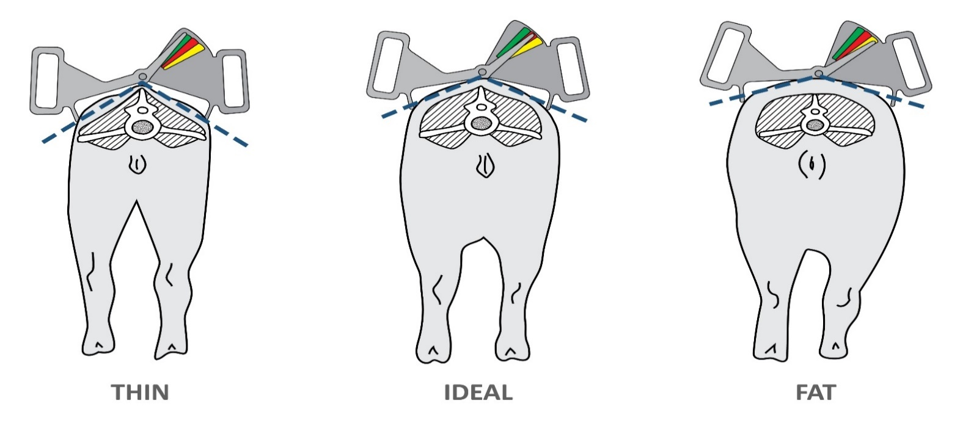
None at farrowing
None at weaning
As many as possible
Figure 2. Sow body condition measurement using a sow caliper
SID THR/Lysine ratio, % | 76%
SID TRP/Lysine ratio, % | 19%
SID VAL/Lysine ratio, % | 71%
SID ILE/Lysine ratio, % | 58%
SID LEU/Lysine ratio, % | 92%
SID HIS/Lysine ratio, % | 35%
Calcium, % | 0.85%
Av Phosphorus, % | 0.40%
Dig Phosphorus, %* | 0.44%
Sodium, % | 0.24%
* Visit http://dynamicfemalefeeding.pic.com/ for detailed nutrient specifications

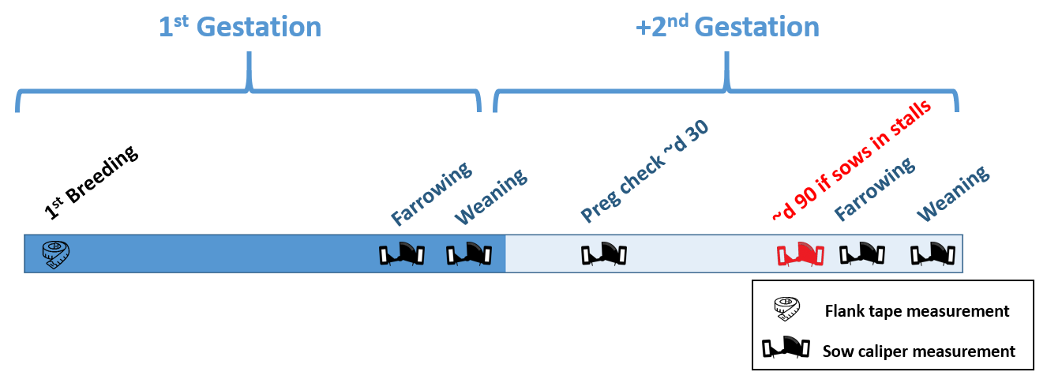
Figure 3. Critical time points to evaluate sow body condition

